Check Sheet
 |  |  |  | Retaining Walls Inspection and Test Plan
 |  |  |  | Project: Peacocke Whatukooruru Drive
 |  |  |  | Number and Revision: DS1205 - 104 - Rev E

STONE STRONG WALL INSTALLATION CHECKLIST
Project Name: | Date:
Wall Location: | Inspector:
Block Layer: | RL of current Block/Backfill Layer:

Level foundation installed as per design. (Base layer only) |  | Y | N | NA
2 x Drainage pipe wraped in filter sock to be installed along the external perimeter of the Load Tramsfer Platform. (Base layer only) |  | Y | N | NA
Blocks Installed within specification tollerances & block pattern as per design drawings |  | Y | N | NA
The correct number & length of parawebs are to be installed as shown on the construction drawings. | 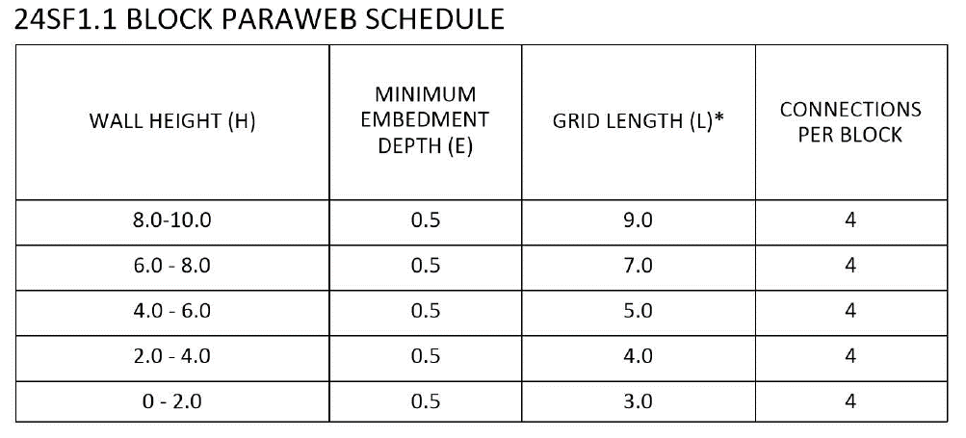 | Y | N | NA
Paraweb is to be placed flat or with a 1% fall toward the rear of the wall. Paraweb must be free of wrinkles and lightly tensioned prior to and during placement of backfill. Shallow trench to be dug toward the end of the paraweb, pin to be used to pull paraweb taught prior to backfilling. |  | Y | N | NA
150mm of fill cover is required before construction equipment can travel over the area |  | Y | N | NA
Backfill installed in max 250mm lifts |  | Y | N | NA
Proof roll completed on each layer |  | Y | N | NA
NDM testing completed Acceptance Criteria: Minimum 95% MDD Frequency: 1 per 500m3 with at least 1 test per 0.5m lift per 20m run of wall |  | Y | N | NA
Clegg testing completed (GAP65 only) Acceptance Criteria: CIV relationship to be developed by testing alongside NDM tests Frequency: 4 tests per NDM |  | Y | N | NA
Scala testing completed (Sand only) Acceptance Criteria: Minimum average value over 5 tests of 5 blows per 100mm, minimum single value of 4 blows per 100mm Frequency: 1 per 500m3, 1 test per 0.5m lift per 20m run of wall |  | Y | N | NA
ADDITIONAL NOTES:

